Front page 01
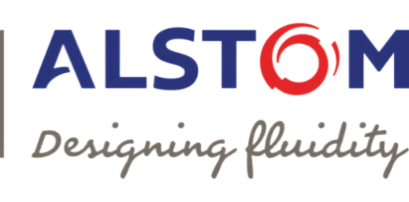
Supplier Form : Commitment & Declaration on Dangerous Substances
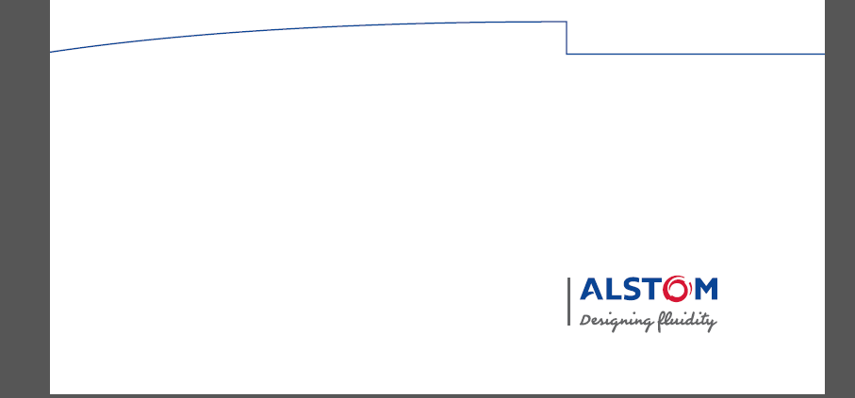

To be used as is | U |  | Reference : |  | ENG-FRM-001
 |  |  | Version : |  | E
 |  |  | Application date : |  | April 17

Purpose
This document belongs to the process Engineering
Commitment to respect legal provisions relating to the marketing & the use of dangerous substances

Scope of application
The present document is applicable to all ALSTOM Transport Product Lines and their suppliers.

Responsibilities for the execution of this instruction

Accountable: Regions

Responsible for the appplication: Engineering, Sourcing

Responsible for the compliance: Suppliers

Contributors: Supplier Quality, EHS

Signatures

 | Name | Position | Date | Signature
Written by : | <Gwenaëlle GRANVORKA> | Ecodesign Engineer | Date of signature | Electronic signature
Verified by : | <Amandine NOURELDIN> | Sustainable Sourcing Manager | Date of signature | Electronic signature
Approved by : | <Véronique ANDRIES> | Ecodesign Director | Date of signature | Electronic signature

Nota for Work Method Statements/ instructions (text to be removed when issuing the document):

* The verifier shall be:
The Site Quality Manager System to check coherence with other instructions and procedures applicable in his organisation

* The approver shall be :
The person who has authority to order implementation

